Sheet1
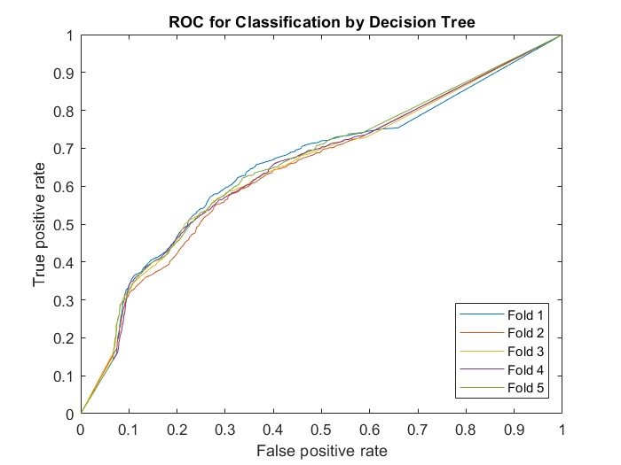
CreditCardDefault_DecisionTree_CrossVal
|======================================================================================|
| Iter | Eval | Objective | Objective | BestSoFar | BestSoFar | MinLeafSize |
| | result | | runtime | (observed) | (estim.) | |
|======================================================================================|
| 1 | Best | 0.25058 | 4.9157 | 0.25058 | 0.25058 | 6 |
| 2 | Best | 0.22117 | 0.27743 | 0.22117 | 0.22272 | 12613 |
| 3 | Best | 0.19454 | 1.6856 | 0.19454 | 0.21805 | 27 |
| 4 | Best | 0.17933 | 1.1302 | 0.17933 | 0.18172 | 238 |
| 5 | Accept | 0.17933 | 1.4924 | 0.17933 | 0.17932 | 264 |
| 6 | Accept | 0.18175 | 1.3531 | 0.17933 | 0.17932 | 78 |
| 7 | Accept | 0.18071 | 1.0158 | 0.17933 | 0.17929 | 962 |
| 8 | Accept | 0.18125 | 0.95904 | 0.17933 | 0.17927 | 506 |
| 9 | Accept | 0.18242 | 1.3288 | 0.17933 | 0.17925 | 165 |
| 10 | Accept | 0.19508 | 0.49005 | 0.17933 | 0.17927 | 2029 |
| 11 | Accept | 0.18479 | 1.415 | 0.17933 | 0.18001 | 53 |
| 12 | Accept | 0.17933 | 1.0417 | 0.17933 | 0.17979 | 400 |
| 13 | Accept | 0.17933 | 1.0057 | 0.17933 | 0.17911 | 331 |
| 14 | Accept | 0.17933 | 1.0835 | 0.17933 | 0.17926 | 303 |
| 15 | Accept | 0.17933 | 1.0128 | 0.17933 | 0.17928 | 356 |
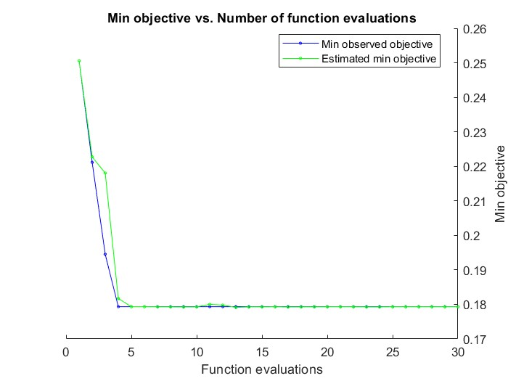
| 16 | Accept | 0.17933 | 1.1763 | 0.17933 | 0.1793 | 270 |
| 17 | Accept | 0.26875 | 3.5758 | 0.17933 | 0.17924 | 1 |
| 18 | Accept | 0.17933 | 1.0556 | 0.17933 | 0.17927 | 307 |
| 19 | Accept | 0.17933 | 0.98991 | 0.17933 | 0.17928 | 327 |
| 20 | Accept | 0.17933 | 1.0349 | 0.17933 | 0.17929 | 282 |
|======================================================================================|
| Iter | Eval | Objective | Objective | BestSoFar | BestSoFar | MinLeafSize |
| | result | | runtime | (observed) | (estim.) | |
|======================================================================================|
| 21 | Accept | 0.17933 | 1.13 | 0.17933 | 0.1793 | 342 |
| 22 | Accept | 0.22117 | 0.35358 | 0.17933 | 0.17929 | 5412 |
| 23 | Accept | 0.26579 | 3.019 | 0.17933 | 0.17926 | 2 |
| 24 | Accept | 0.21883 | 2.1236 | 0.17933 | 0.17926 | 13 |
| 25 | Accept | 0.18071 | 0.6974 | 0.17933 | 0.17931 | 1360 |
| 26 | Accept | 0.18071 | 0.68132 | 0.17933 | 0.17931 | 1158 |
| 27 | Accept | 0.17933 | 1.0899 | 0.17933 | 0.17931 | 357 |
| 28 | Accept | 0.17933 | 1.1611 | 0.17933 | 0.17931 | 266 |
| 29 | Accept | 0.22117 | 0.25996 | 0.17933 | 0.17931 | 8498 |
| 30 | Accept | 0.18175 | 1.3479 | 0.17933 | 0.17931 | 111 |
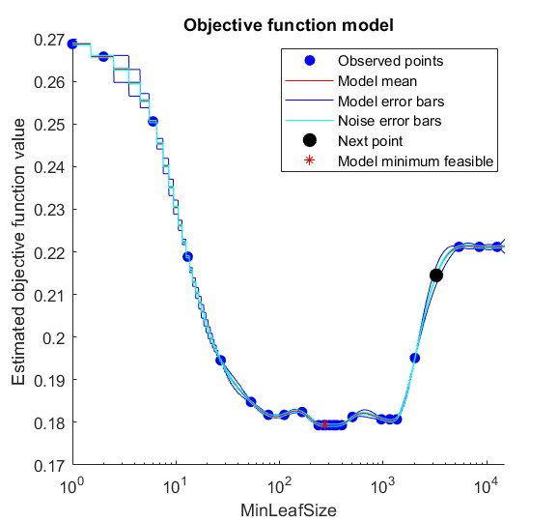
__________________________________________________________
Optimization completed.
MaxObjectiveEvaluations of 30 reached.
Total function evaluations: 30
Total elapsed time: 66.2388 seconds
Total objective function evaluation time: 39.903

Best observed feasible point:
MinLeafSize
___________

238

Observed objective function value = 0.17933
Estimated objective function value = 0.17952
Function evaluation time = 1.1302

Best estimated feasible point (according to models):
MinLeafSize
___________

331
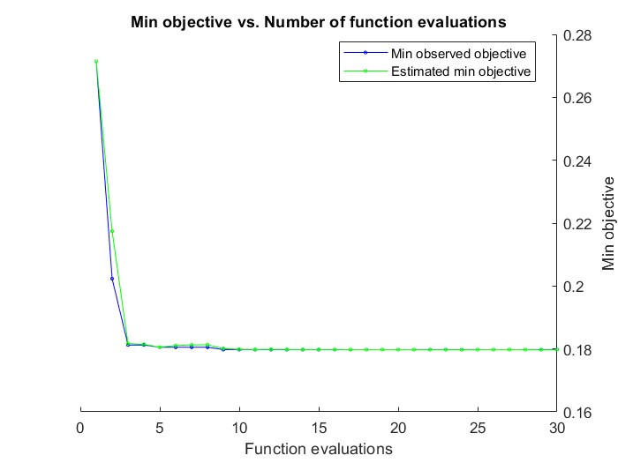
Estimated objective function value = 0.17931
Estimated function evaluation time = 1.0779

|======================================================================================|
| Iter | Eval | Objective | Objective | BestSoFar | BestSoFar | MinLeafSize |
| | result | | runtime | (observed) | (estim.) | |
|======================================================================================|
| 1 | Best | 0.27146 | 3.3477 | 0.27146 | 0.27146 | 2 |
| 2 | Best | 0.20233 | 2.028 | 0.20233 | 0.21741 | 20 |
| 3 | Best | 0.18125 | 1.2927 | 0.18125 | 0.18169 | 176 |
| 4 | Accept | 0.22121 | 0.28038 | 0.18125 | 0.18147 | 7668 |
| 5 | Best | 0.18054 | 1.6131 | 0.18054 | 0.18055 | 115 |
| 6 | Accept | 0.18171 | 1.3568 | 0.18054 | 0.18109 | 117 |
| 7 | Accept | 0.18188 | 1.5752 | 0.18054 | 0.18125 | 143 |
| 8 | Accept | 0.18083 | 0.93996 | 0.18054 | 0.18133 | 464 |
| 9 | Best | 0.17979 | 1.0994 | 0.17979 | 0.18012 | 328 |
| 10 | Accept | 0.17979 | 1.0854 | 0.17979 | 0.1799 | 321 |
| 11 | Accept | 0.17979 | 1.2619 | 0.17979 | 0.17984 | 325 |
| 12 | Accept | 0.18275 | 1.7594 | 0.17979 | 0.17989 | 67 |
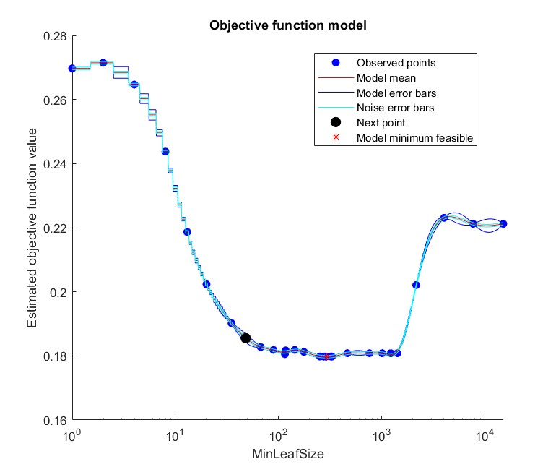
| 13 | Accept | 0.17979 | 1.0825 | 0.17979 | 0.17985 | 325 |
| 14 | Accept | 0.20213 | 0.59747 | 0.17979 | 0.17985 | 2152 |
| 15 | Accept | 0.22121 | 0.13148 | 0.17979 | 0.17985 | 14999 |
| 16 | Accept | 0.26971 | 3.8832 | 0.17979 | 0.17983 | 1 |
| 17 | Accept | 0.24375 | 2.57 | 0.17979 | 0.17981 | 8 |
| 18 | Accept | 0.18083 | 0.94 | 0.17979 | 0.17981 | 1008 |
| 19 | Accept | 0.18083 | 0.7952 | 0.17979 | 0.17979 | 757 |
| 20 | Accept | 0.17979 | 1.32 | 0.17979 | 0.17979 | 274 |
|======================================================================================|
| Iter | Eval | Objective | Objective | BestSoFar | BestSoFar | MinLeafSize |
| | result | | runtime | (observed) | (estim.) | |
|======================================================================================|
| 21 | Accept | 0.17979 | 1.2366 | 0.17979 | 0.17979 | 284 |
| 22 | Accept | 0.17979 | 1.1447 | 0.17979 | 0.17976 | 289 |
| 23 | Accept | 0.19017 | 1.5756 | 0.17979 | 0.17976 | 35 |
| 24 | Accept | 0.22308 | 0.34046 | 0.17979 | 0.17976 | 4011 |
| 25 | Accept | 0.18188 | 1.4336 | 0.17979 | 0.17979 | 89 |
| 26 | Accept | 0.26467 | 2.8382 | 0.17979 | 0.17979 | 4 |
| 27 | Accept | 0.18083 | 0.64486 | 0.17979 | 0.17979 | 1415 |
| 28 | Accept | 0.18083 | 0.67109 | 0.17979 | 0.17979 | 1222 |
| 29 | Accept | 0.17979 | 1.2021 | 0.17979 | 0.17974 | 251 |
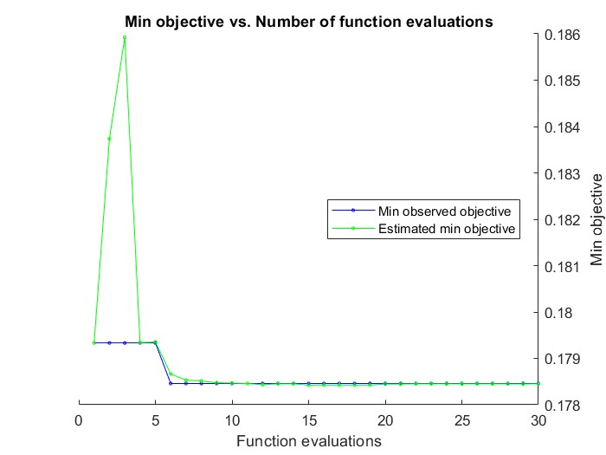
| 30 | Accept | 0.21867 | 2.1386 | 0.17979 | 0.17974 | 13 |

__________________________________________________________
Optimization completed.
MaxObjectiveEvaluations of 30 reached.
Total function evaluations: 30
Total elapsed time: 62.3172 seconds
Total objective function evaluation time: 42.1857

Best observed feasible point:
MinLeafSize
___________

328

Observed objective function value = 0.17979
Estimated objective function value = 0.17983
Function evaluation time = 1.0994

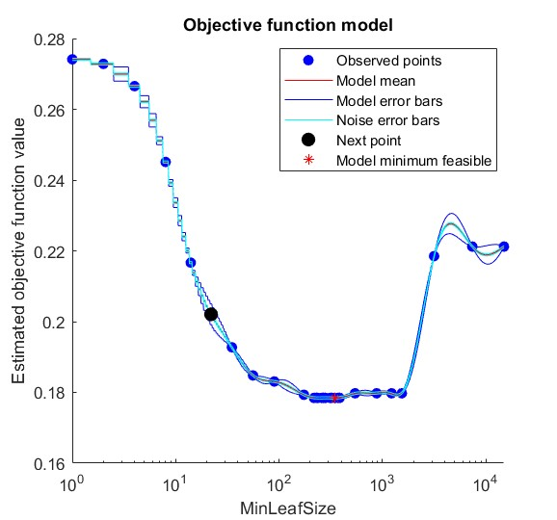
Best estimated feasible point (according to models):
MinLeafSize
___________

289

Estimated objective function value = 0.17974
Estimated function evaluation time = 1.1847

|======================================================================================|
| Iter | Eval | Objective | Objective | BestSoFar | BestSoFar | MinLeafSize |
| | result | | runtime | (observed) | (estim.) | |
|======================================================================================|
| 1 | Best | 0.17933 | 1.3791 | 0.17933 | 0.17933 | 174 |
| 2 | Accept | 0.2185 | 0.39242 | 0.17933 | 0.18374 | 3161 |
| 3 | Accept | 0.21667 | 2.2543 | 0.17933 | 0.18592 | 14 |
| 4 | Accept | 0.27413 | 3.4614 | 0.17933 | 0.17934 | 1 |
| 5 | Accept | 0.18308 | 1.3869 | 0.17933 | 0.17935 | 90 |
| 6 | Best | 0.17846 | 1.2073 | 0.17846 | 0.17866 | 230 |
| 7 | Accept | 0.17846 | 1.1862 | 0.17846 | 0.17853 | 260 |
| 8 | Accept | 0.17846 | 1.204 | 0.17846 | 0.17851 | 268 |
| 9 | Accept | 0.17846 | 1.227 | 0.17846 | 0.17847 | 261 |
| 10 | Accept | 0.17846 | 1.1423 | 0.17846 | 0.17847 | 259 |
| 11 | Accept | 0.22121 | 0.15836 | 0.17846 | 0.17846 | 14991 |
| 12 | Accept | 0.17975 | 0.77447 | 0.17846 | 0.17843 | 880 |
| 13 | Accept | 0.17975 | 0.94992 | 0.17846 | 0.17845 | 544 |
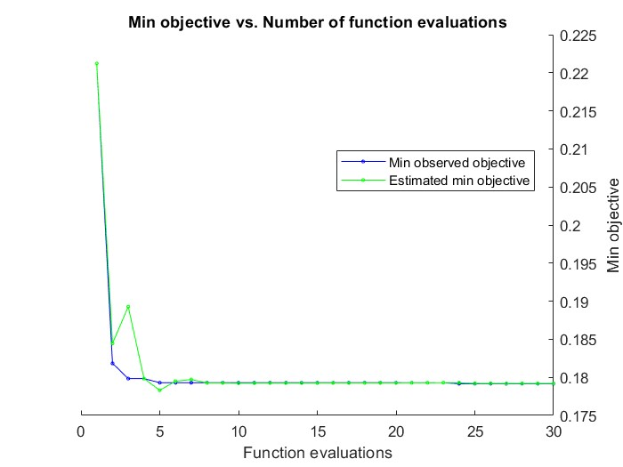
| 14 | Accept | 0.17846 | 1.146 | 0.17846 | 0.17845 | 236 |
| 15 | Accept | 0.17846 | 1.2527 | 0.17846 | 0.17842 | 314 |
| 16 | Accept | 0.17846 | 1.1248 | 0.17846 | 0.17843 | 280 |
| 17 | Accept | 0.26654 | 2.8359 | 0.17846 | 0.17842 | 4 |
| 18 | Accept | 0.19275 | 1.6139 | 0.17846 | 0.17842 | 35 |
| 19 | Accept | 0.22121 | 0.20013 | 0.17846 | 0.17842 | 7410 |
| 20 | Accept | 0.17975 | 0.6105 | 0.17846 | 0.17845 | 1543 |
|======================================================================================|
| Iter | Eval | Objective | Objective | BestSoFar | BestSoFar | MinLeafSize |
| | result | | runtime | (observed) | (estim.) | |
|======================================================================================|
| 21 | Accept | 0.17975 | 0.73101 | 0.17846 | 0.17845 | 1225 |
| 22 | Accept | 0.17846 | 1.1487 | 0.17846 | 0.17845 | 385 |
| 23 | Accept | 0.17846 | 1.0128 | 0.17846 | 0.17845 | 345 |
| 24 | Accept | 0.17846 | 1.0545 | 0.17846 | 0.17845 | 345 |
| 25 | Accept | 0.17846 | 1.0075 | 0.17846 | 0.17845 | 323 |
| 26 | Accept | 0.17846 | 1.0623 | 0.17846 | 0.17845 | 373 |
| 27 | Accept | 0.17846 | 1.1799 | 0.17846 | 0.17845 | 218 |
| 28 | Accept | 0.27283 | 3.1303 | 0.17846 | 0.17845 | 2 |
| 29 | Accept | 0.24513 | 2.2517 | 0.17846 | 0.17845 | 8 |
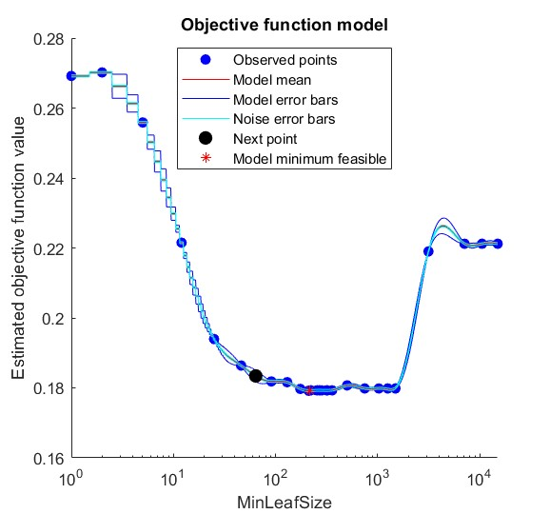
| 30 | Accept | 0.18479 | 1.5096 | 0.17846 | 0.17845 | 56 |

__________________________________________________________
Optimization completed.
MaxObjectiveEvaluations of 30 reached.
Total function evaluations: 30
Total elapsed time: 58.6952 seconds
Total objective function evaluation time: 39.596

Best observed feasible point:
MinLeafSize
___________

230

Observed objective function value = 0.17846
Estimated objective function value = 0.17845
Function evaluation time = 1.2073

Best estimated feasible point (according to models):
MinLeafSize
___________

259

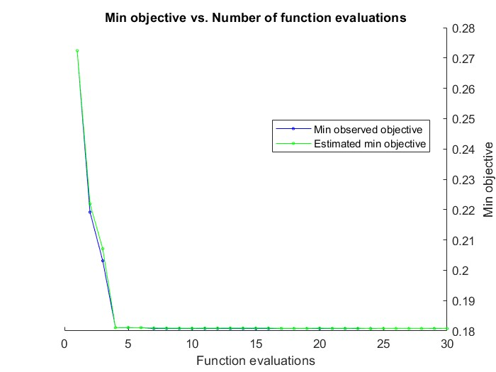
Estimated objective function value = 0.17845
Estimated function evaluation time = 1.172

|======================================================================================|
| Iter | Eval | Objective | Objective | BestSoFar | BestSoFar | MinLeafSize |
| | result | | runtime | (observed) | (estim.) | |
|======================================================================================|
| 1 | Best | 0.22121 | 0.18812 | 0.22121 | 0.22121 | 7106 |
| 2 | Best | 0.18183 | 1.374 | 0.18183 | 0.18445 | 91 |
| 3 | Best | 0.17983 | 0.74828 | 0.17983 | 0.18928 | 1028 |
| 4 | Accept | 0.26917 | 3.5104 | 0.17983 | 0.17984 | 1 |
| 5 | Best | 0.17929 | 1.1719 | 0.17929 | 0.1783 | 318 |
| 6 | Accept | 0.18071 | 0.96536 | 0.17929 | 0.17949 | 502 |
| 7 | Accept | 0.17971 | 1.3164 | 0.17929 | 0.17971 | 175 |
| 8 | Accept | 0.17929 | 1.1639 | 0.17929 | 0.17927 | 221 |
| 9 | Accept | 0.19396 | 1.7197 | 0.17929 | 0.17926 | 25 |
| 10 | Accept | 0.17929 | 1.1469 | 0.17929 | 0.17923 | 256 |
| 11 | Accept | 0.17929 | 1.1404 | 0.17929 | 0.17924 | 254 |
| 12 | Accept | 0.17929 | 1.1108 | 0.17929 | 0.17925 | 254 |
| 13 | Accept | 0.25588 | 2.5474 | 0.17929 | 0.17925 | 5 |
| 14 | Accept | 0.17983 | 0.75809 | 0.17929 | 0.17925 | 1496 |
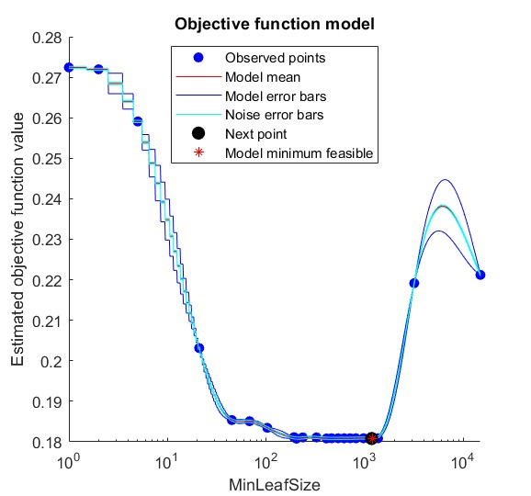
| 15 | Accept | 0.17929 | 1.0615 | 0.17929 | 0.17926 | 269 |
| 16 | Accept | 0.22121 | 0.20256 | 0.17929 | 0.17926 | 14992 |
| 17 | Accept | 0.17983 | 0.69678 | 0.17929 | 0.17926 | 1255 |
| 18 | Accept | 0.17929 | 1.1291 | 0.17929 | 0.17926 | 283 |
| 19 | Accept | 0.18638 | 1.7208 | 0.17929 | 0.17926 | 46 |
| 20 | Accept | 0.2215 | 2.0881 | 0.17929 | 0.17926 | 12 |
|======================================================================================|
| Iter | Eval | Objective | Objective | BestSoFar | BestSoFar | MinLeafSize |
| | result | | runtime | (observed) | (estim.) | |
|======================================================================================|
| 21 | Accept | 0.219 | 0.33983 | 0.17929 | 0.17928 | 3150 |
| 22 | Accept | 0.17983 | 0.89675 | 0.17929 | 0.17928 | 748 |
| 23 | Accept | 0.18163 | 1.3803 | 0.17929 | 0.17929 | 130 |
| 24 | Best | 0.17917 | 1.1472 | 0.17917 | 0.17929 | 211 |
| 25 | Accept | 0.17917 | 1.1581 | 0.17917 | 0.17921 | 211 |
| 26 | Accept | 0.17929 | 1.5839 | 0.17917 | 0.17921 | 358 |
| 27 | Accept | 0.17917 | 1.247 | 0.17917 | 0.1792 | 211 |
| 28 | Accept | 0.27017 | 3.0203 | 0.17917 | 0.1792 | 2 |
| 29 | Accept | 0.17929 | 1.1062 | 0.17917 | 0.1792 | 321 |
| 30 | Accept | 0.22121 | 0.12609 | 0.17917 | 0.1792 | 10550 |

__________________________________________________________
Optimization completed.
MaxObjectiveEvaluations of 30 reached.
Total function evaluations: 30
Total elapsed time: 56.5733 seconds
Total objective function evaluation time: 37.7662

Best observed feasible point:
MinLeafSize
___________

211

Observed objective function value = 0.17917
Estimated objective function value = 0.1792
Function evaluation time = 1.1472

Best estimated feasible point (according to models):
MinLeafSize
___________

211

Estimated objective function value = 0.1792
Estimated function evaluation time = 1.2107

|======================================================================================|
| Iter | Eval | Objective | Objective | BestSoFar | BestSoFar | MinLeafSize |
| | result | | runtime | (observed) | (estim.) | |
|======================================================================================|
| 1 | Best | 0.27242 | 3.6688 | 0.27242 | 0.27242 | 1 |
| 2 | Best | 0.21917 | 0.54066 | 0.21917 | 0.22191 | 3190 |
| 3 | Best | 0.20313 | 1.9342 | 0.20313 | 0.20708 | 21 |
| 4 | Best | 0.18108 | 1.3401 | 0.18108 | 0.18109 | 236 |
| 5 | Accept | 0.18346 | 1.3586 | 0.18108 | 0.18111 | 103 |
| 6 | Accept | 0.18113 | 1.2464 | 0.18108 | 0.18107 | 193 |
| 7 | Best | 0.18079 | 1.1491 | 0.18079 | 0.18096 | 204 |
| 8 | Accept | 0.18079 | 1.2411 | 0.18079 | 0.18092 | 203 |
| 9 | Accept | 0.18079 | 1.213 | 0.18079 | 0.18089 | 203 |
| 10 | Accept | 0.22121 | 0.1248 | 0.18079 | 0.18088 | 14993 |
| 11 | Accept | 0.18113 | 1.1654 | 0.18079 | 0.18092 | 192 |
| 12 | Accept | 0.25908 | 2.6151 | 0.18079 | 0.18091 | 5 |
| 13 | Accept | 0.18083 | 0.9421 | 0.18079 | 0.18094 | 411 |
| 14 | Accept | 0.18108 | 1.0307 | 0.18079 | 0.18094 | 325 |
| 15 | Accept | 0.18088 | 1.0226 | 0.18079 | 0.18093 | 539 |
| 16 | Accept | 0.18088 | 0.96951 | 0.18079 | 0.18093 | 462 |
| 17 | Accept | 0.18088 | 0.96308 | 0.18079 | 0.18082 | 464 |
| 18 | Accept | 0.18088 | 1.054 | 0.18079 | 0.18083 | 465 |
| 19 | Accept | 0.18538 | 1.4341 | 0.18079 | 0.18083 | 45 |
| 20 | Accept | 0.18088 | 0.65882 | 0.18079 | 0.18091 | 1369 |
|======================================================================================|
| Iter | Eval | Objective | Objective | BestSoFar | BestSoFar | MinLeafSize |
| | result | | runtime | (observed) | (estim.) | |
|======================================================================================|
| 21 | Accept | 0.18088 | 0.73641 | 0.18079 | 0.18085 | 977 |
| 22 | Accept | 0.18088 | 0.65755 | 0.18079 | 0.18086 | 1181 |
| 23 | Accept | 0.18088 | 0.79919 | 0.18079 | 0.18086 | 714 |
| 24 | Accept | 0.18088 | 0.67829 | 0.18079 | 0.18076 | 1209 |
| 25 | Accept | 0.18088 | 0.70906 | 0.18079 | 0.18079 | 1219 |
| 26 | Accept | 0.18088 | 0.8242 | 0.18079 | 0.18079 | 620 |
| 27 | Accept | 0.18088 | 0.7685 | 0.18079 | 0.18079 | 816 |
| 28 | Accept | 0.18508 | 1.3312 | 0.18079 | 0.18079 | 68 |
| 29 | Accept | 0.18088 | 0.67005 | 0.18079 | 0.18081 | 1225 |
| 30 | Accept | 0.27196 | 2.9391 | 0.18079 | 0.1808 | 2 |

__________________________________________________________
Optimization completed.
MaxObjectiveEvaluations of 30 reached.
Total function evaluations: 30
Total elapsed time: 53.0079 seconds
Total objective function evaluation time: 35.7858

Best observed feasible point:
MinLeafSize
___________

204

Observed objective function value = 0.18079
Estimated objective function value = 0.18092
Function evaluation time = 1.1491

Best estimated feasible point (according to models):
MinLeafSize
___________

1219

Estimated objective function value = 0.1808
Estimated function evaluation time = 0.68411

Average accuracy over all folds: 0.8199

